2018ca
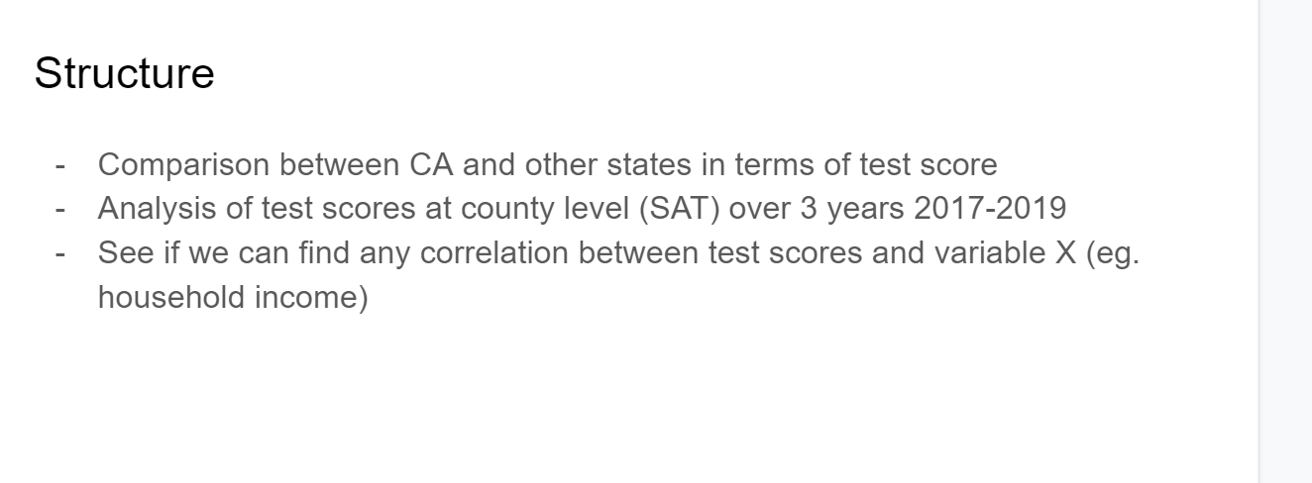
2018 | Explaination | Sample | Test count | Item to taken in python | Rename in python | Action to be taken
rtype | Record Type:C=County, D=District,S=School,X=State | C |  | yes | rtype | To filter county level only ( to see those meeting benchmark at county level)
cname | County Name | Amador |  | yes | cname
enroll12 | Enrollment of Grade 12 | 349 |  | yes | enroll12
NumTstTakr | Number of TestTakers (No. of participation) | 88 |  | yes | numtstaker
TotNumElaBenchmark | The number meeting the Evidence-Based Reading & Writing (ERW) benchmark established by the College Board based on the New 2016 SAT test format as of March 2016 for Grade 12. | 79 |  | yes | numerwben
PctElaBenchmark | The percent of students who met or exceeded the benchmark for Evidence-Based Reading & Writing (ERW) test or Grade 12 | 89.77 | 0.89772727273 | yes | pcterwben | To filter county level only ( to see those meeting benchmark at county level)
TotNumMathBenchmark | The number of students who met or exceeded the benchmark for the New SAT Math test format as of March 2016 for Grade 12 | 60 |  | yes | nummathben
PctMathBenchmark | The percent of students who met or exceeded the benchmark for SAT Math test for Grade 12 | 68.18 | 0.68181818182 | yes | pctmathben | To filter county level only ( to see those meeting benchmark at county level)
TotNumBothBenchmark | The totalnumber oistudents who met the benchmark of both Evidence-Based Reading & Writing (ERW) and Math Grade 12 | 59 |  | yes | numbothben
PctBothBenchmark | The percent of students who met the benchmark of both Evidence-Based Reading & Writing (ERW) and Math Grade 12 | 67.05 | 0.67045454545 | yes | pctbothben | To filter county level only ( to see those meeting benchmark at county level)
year | year | 2017-18 |  | yes | year

2019ca
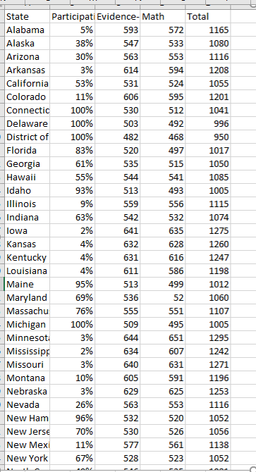
2019 | Explaination | Sample in the list | Nature | Test count | Item to be taken in python | Rename in python | Action to be taken
RType | Record Type:C=County, D=District,S=School,X=State | S | ID |  | Yes | rtype | To filter county level only ( to see those meeting benchmark at county level)
CName | County Name | Los Angeles | ID |  | Yes | cname
Enroll12 | Enrollment of Grade 12 | 206 | Number |  | Yes | enroll12
NumTSTTakr12 | Number of TestTakers (No. of participation) | 102 | Number | 50% | Yes | numtstaker | Participation rate
NumERWBenchmark12 | The number meeting the Evidence-Based Reading & Writing (ERW) benchmark established by the College Board based on the New 2016 SAT test format as of March 2016 for Grade 12. | 31 | Number |  | Yes | numerwben
PctERWBenchmark12 | The percent of students who met or exceeded the benchmark for Evidence-Based Reading & Writing (ERW) test or Grade 12 | 30.39 | % | 0.30392156863 | Yes | pcterwben | To filter county level only ( to see those meeting benchmark at county level)
NumMathBenchmark12 | The number of students who met or exceeded the benchmark for the New SAT Math test format as of March 2016 for Grade 12 | 14 | Number |  | Yes | nummathben
PctMathBenchmark12 | The percent of students who met or exceeded the benchmark for SAT Mo.th tcct for Grildc 12. | 13.73 | % | 0.13725490196 | Yes | pctmathben | To filter county level only ( to see those meeting benchmark at county level)
TotNumBothBenchmark12 | The totalnumber oistudents who met the benchmark of both Evidence-Based Reading & Writing (ERW) and Math Grade 12 | 14 | Number |  | Yes | numbothben
PctBothBenchmark12 | The percent of students who met the benchmark of both Evidence-Based Reading & Writing (ERW) and Math Grade 12 | 13.73 | % | 0.13725490196 | Yes | pctbothben | To filter county level only ( to see those meeting benchmark at county level)
Year | The SAT test administration year: 2018-19 | 2018-19 |  |  | Yes | year

* To analyse the test score for Evidence-Based Reading (EBRW) and Maths for between Califonia and other states over 3 years 2017-2019 (SAT 2017 - 2019 data)
* To analyse the test score meeting the benchmark of grade 12 for Evidence-Based Reading (EBRW) and Maths of SAT over 2017 - 2019 for the states of Califonia at county level.
* Provide recommendations to the College Board to help the participants of SAT test in Califonia to improve the test scores in futures

Sheet5
